Answers
Top 5 states in terms of revenue | Total No. of active users per day
 |  | The average number of users active on the App per day
 |  | 499.6666667

COUNTA of User id
 |  | The average revenue collected per day
 |  | 26592.56667
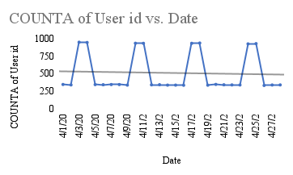
SUM of Revenue collected vs. State

 |  |  | 70% of the users are male and 30% are female
 |  | Insight
 |  | There is a spike in active users at every weekend(saturday and Sunday)

